Pivot Charts
 | East | North | South | West
PROD0 |  | 24 | 11 | 4
PROD1 | 4 | 27 | 10
PROD10 | 7 | 35 | 9
PROD11 | 2 | 44 | 7
PROD12 | 8 | 23 | 6 | 4
PROD13 |  | 33 | 10 | 12
PROD14 | 8 | 28 | 9
PROD15 | 6 | 46 | 20
PROD16 | 4 | 45 | 6 | 7
PROD17 | 6 | 57 | 4 | 3
PROD18 | 5 | 28 | 1 | 3
PROD19 | 5 | 44 | 5 | 9
PROD2 |  | 26 | 11 | 4
PROD20 | 6 | 27 | 14 | 6
PROD21 | 9 | 29 | 3 | 1
PROD22 | 4 | 26 | 9 | 4
PROD23 |  | 23 | 8 | 3
PROD24 | 10 | 34 | 4
PROD25 | 6 | 44 | 7 | 1
PROD26 | 2 | 31 | 10 | 6
PROD27 | 4 | 35 | 11 | 6
PROD28 | 1 | 31 | 11
PROD29 | 2 | 9 | 16 | 2
PROD3 | 5 | 15 | 19 | 8
PROD30 | 5 | 15 | 11 | 3
PROD31 |  | 47 | 9 | 7
PROD32 |  | 14 | 10
PROD33 | 5 | 42 | 4
PROD34 | 8 | 49 | 20 | 7
PROD35 | 7 | 22 | 9 | 7
PROD36 | 5 | 11 | 13 | 8
PROD37 | 9 | 55 | 16 | 7
PROD38 | 10 | 41 | 12 | 1
PROD39 | 4 | 46 | 23 | 11
PROD4 |  | 26 | 8 | 1
PROD40 | 2 | 36 | 16 | 4
PROD41 |  | 31 | 7 | 5
PROD42 | 10 | 20 | 13 | 11
PROD43 | 1 | 24 | 18 | 9
PROD44 | 1 | 15 | 6 | 6
PROD45 | 7 | 23 | 5 | 2
PROD46 | 6 | 35 | 13 | 5
PROD47 | 5 | 15 | 9
PROD48 | 4 | 30 | 14
PROD49 | 2 | 26 | 9 | 7
PROD5 | 4 | 22 | 14 | 3
PROD50 | 3 | 20 | 19
PROD51 | 7 | 24 | 4 | 3
PROD52 | 3 | 23 | 9 | 1
PROD53 | 1 | 20 | 11 | 4
...
 | Total
Bronze | 531049.685
Gold | 517622.0574
Platinum | 660505.8106
Silver | 465217.1453
 | Cod | Credit Card | Paypal
STORE0 | $36,455.82 | $18,906.47 | $29,776.26
STORE1 | $31,630.42 | $28,812.64 | $40,617.55
STORE10 | $44,329.97 | $31,658.84 | $33,802.90
STORE11 | $29,230.60 | $25,400.98 | $38,416.55
STORE12 | $31,116.78 | $53,805.05 | $31,907.39
STORE13 | $42,434.35 | $37,172.49 | $34,794.63
STORE14 | $36,010.41 | $34,124.63 | $36,113.24
STORE15 | $31,951.83 | $31,895.69 | $35,831.57
STORE16 | $47,433.62 | $33,648.20 | $30,623.12
STORE17 | $38,114.38 | $33,813.86 | $50,248.30
STORE18 | $40,815.07 | $27,858.46 | $35,639.53
STORE19 | $31,749.91 | $31,395.05 | $31,080.76
STORE2 | $24,352.74 | $38,006.49 | $36,601.58
STORE3 | $33,446.97 | $46,541.04 | $45,023.81
STORE4 | $24,588.91 | $45,275.22 | $48,949.99
STORE5 | $31,307.00 | $25,208.61 | $24,827.98
STORE6 | $36,767.69 | $34,688.91 | $43,077.20
STORE7 | $34,217.12 | $26,907.14 | $46,915.08
STORE8 | $34,142.73 | $72,215.37 | $52,613.36
STORE9 | $42,363.08 | $37,845.54 | $29,893.78

 | Total
1 | $174,449.14
2 | $155,073.94
3 | $210,704.52
4 | $192,864.04
5 | $146,511.96
6 | $162,640.02
7 | $194,711.82
8 | $192,159.73
9 | $188,570.18
10 | $186,168.21
11 | $187,386.17
12 | $183,154.98
 | Sum of Quantity calculated | Sum of Total_Amount Calculated
East | 462 | 199672.3518
North | 3172 | 1379834.2122
South | 986 | 435916.6719
West | 344 | 158971.4624
 | Count of Product_ID | Average of Cost Cleaned
Affordable | 12 | 47.89
Costly | 45 | 375.11666667
Moderate | 43 | 178.07423256

Dashboard
ECOMMERCE SALES DASHBOARD

Product Wise Demand Region WIse
 | East | North | South | West
PROD0 |  | 24 | 11 | 4
PROD1 | 4 | 27 | 10
PROD10 | 7 | 35 | 9
PROD11 | 2 | 44 | 7
PROD12 | 8 | 23 | 6 | 4
PROD13 |  | 33 | 10 | 12
PROD14 | 8 | 28 | 9
PROD15 | 6 | 46 | 20
PROD16 | 4 | 45 | 6 | 7
PROD17 | 6 | 57 | 4 | 3
PROD18 | 5 | 28 | 1 | 3
PROD19 | 5 | 44 | 5 | 9
PROD2 |  | 26 | 11 | 4
PROD20 | 6 | 27 | 14 | 6
PROD21 | 9 | 29 | 3 | 1
PROD22 | 4 | 26 | 9 | 4
PROD23 |  | 23 | 8 | 3
PROD24 | 10 | 34 | 4
PROD25 | 6 | 44 | 7 | 1
PROD26 | 2 | 31 | 10 | 6
PROD27 | 4 | 35 | 11 | 6
PROD28 | 1 | 31 | 11
PROD29 | 2 | 9 | 16 | 2
PROD3 | 5 | 15 | 19 | 8
PROD30 | 5 | 15 | 11 | 3
PROD31 |  | 47 | 9 | 7
PROD32 |  | 14 | 10
PROD33 | 5 | 42 | 4
PROD34 | 8 | 49 | 20 | 7
PROD35 | 7 | 22 | 9 | 7
PROD36 | 5 | 11 | 13 | 8
PROD37 | 9 | 55 | 16 | 7
PROD38 | 10 | 41 | 12 | 1
PROD39 | 4 | 46 | 23 | 11
PROD4 |  | 26 | 8 | 1
PROD40 | 2 | 36 | 16 | 4
PROD41 |  | 31 | 7 | 5
PROD42 | 10 | 20 | 13 | 11
PROD43 | 1 | 24 | 18 | 9
PROD44 | 1 | 15 | 6 | 6
PROD45 | 7 | 23 | 5 | 2
PROD46 | 6 | 35 | 13 | 5
PROD47 | 5 | 15 | 9
PROD48 | 4 | 30 | 14
PROD49 | 2 | 26 | 9 | 7
PROD5 | 4 | 22 | 14 | 3
PROD50 | 3 | 20 | 19
PROD51 | 7 | 24 | 4 | 3
PROD52 | 3 | 23 | 9 | 1
PROD53 | 1 | 20 | 11 | 4
...
Payment Mode
 | Cod | Credit Card | Paypal
STORE0 | $36,455.82 | $18,906.47 | $29,776.26
STORE1 | $31,630.42 | $28,812.64 | $40,617.55
STORE10 | $44,329.97 | $31,658.84 | $33,802.90
STORE11 | $29,230.60 | $25,400.98 | $38,416.55
STORE12 | $31,116.78 | $53,805.05 | $31,907.39
STORE13 | $42,434.35 | $37,172.49 | $34,794.63
STORE14 | $36,010.41 | $34,124.63 | $36,113.24
STORE15 | $31,951.83 | $31,895.69 | $35,831.57
STORE16 | $47,433.62 | $33,648.20 | $30,623.12
STORE17 | $38,114.38 | $33,813.86 | $50,248.30
STORE18 | $40,815.07 | $27,858.46 | $35,639.53
STORE19 | $31,749.91 | $31,395.05 | $31,080.76
STORE2 | $24,352.74 | $38,006.49 | $36,601.58
STORE3 | $33,446.97 | $46,541.04 | $45,023.81
STORE4 | $24,588.91 | $45,275.22 | $48,949.99
STORE5 | $31,307.00 | $25,208.61 | $24,827.98
STORE6 | $36,767.69 | $34,688.91 | $43,077.20
STORE7 | $34,217.12 | $26,907.14 | $46,915.08
STORE8 | $34,142.73 | $72,215.37 | $52,613.36
STORE9 | $42,363.08 | $37,845.54 | $29,893.78
Loyalty Level Spendings
 | Total
Bronze | 531049.685
Gold | 517622.0574
Platinum | 660505.8106
Silver | 465217.1453

Quantity Demand Region Wise
 | Sum of Quantity calculated | Sum of Total_Amount Calculated
East | 462 | 199672.3518
North | 3172 | 1379834.2122
South | 986 | 435916.6719
West | 344 | 158971.4624
Price Spilt of Products
 | Count of Product_ID | Average of Cost Cleaned
Affordable | 12 | 47.89
Costly | 45 | 375.11666667
Moderate | 43 | 178.07423256
Month Wise Revenue across all Stores
 | Total
1 | $174,449.14
2 | $155,073.94
3 | $210,704.52
4 | $192,864.04
5 | $146,511.96
6 | $162,640.02
7 | $194,711.82
8 | $192,159.73
9 | $188,570.18
10 | $186,168.21
11 | $187,386.17
12 | $183,154.98

Data Cleaning ScreenShots
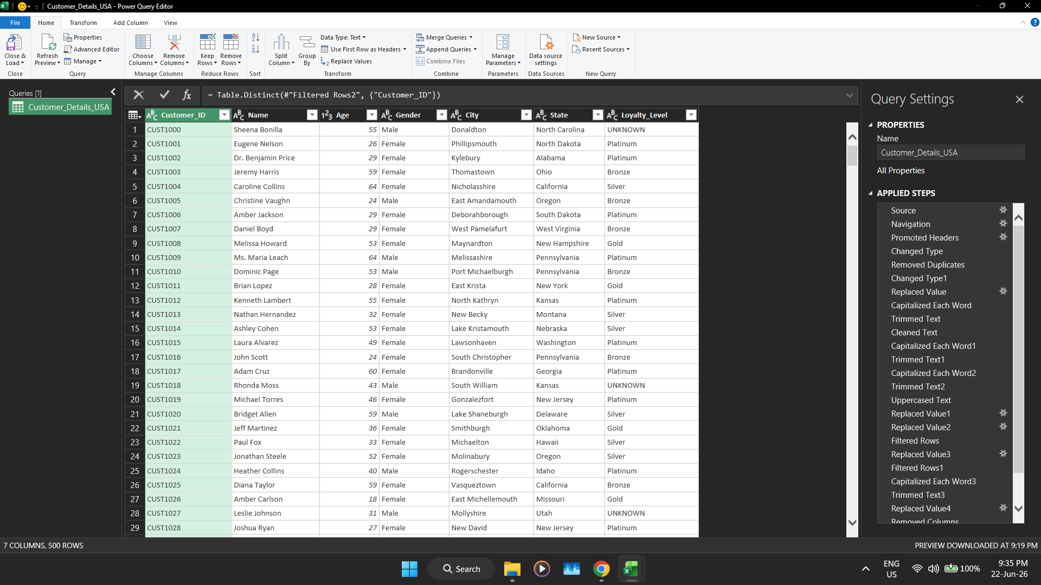
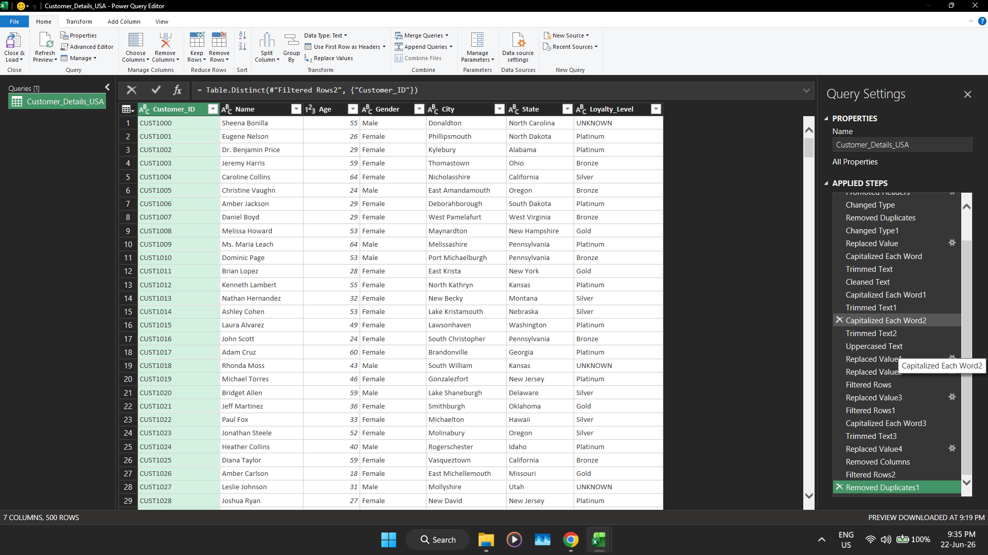
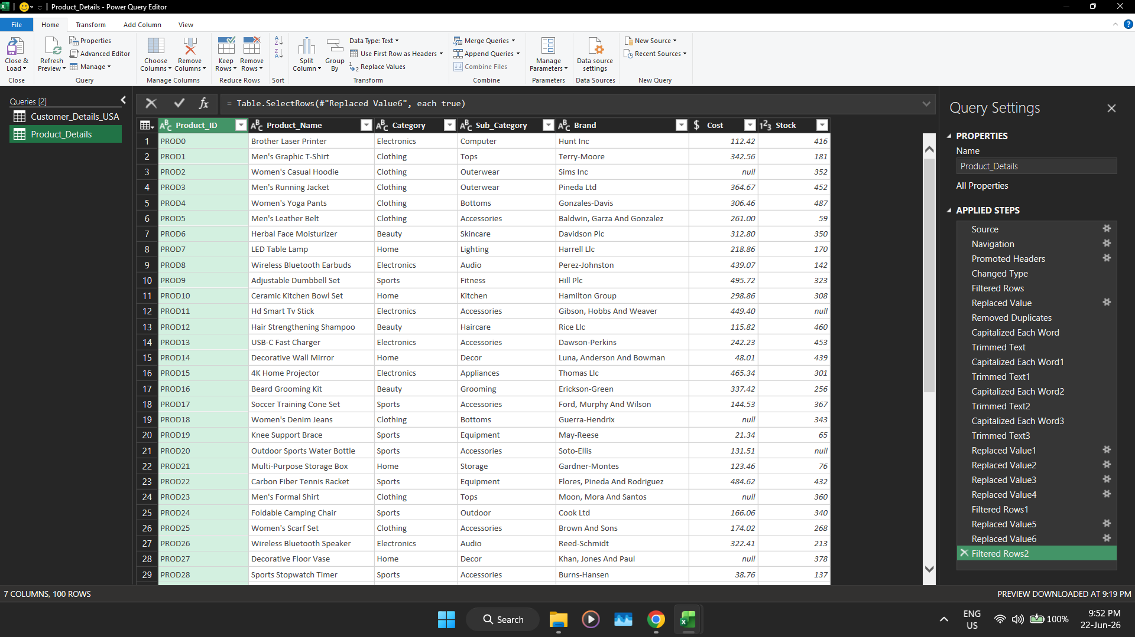

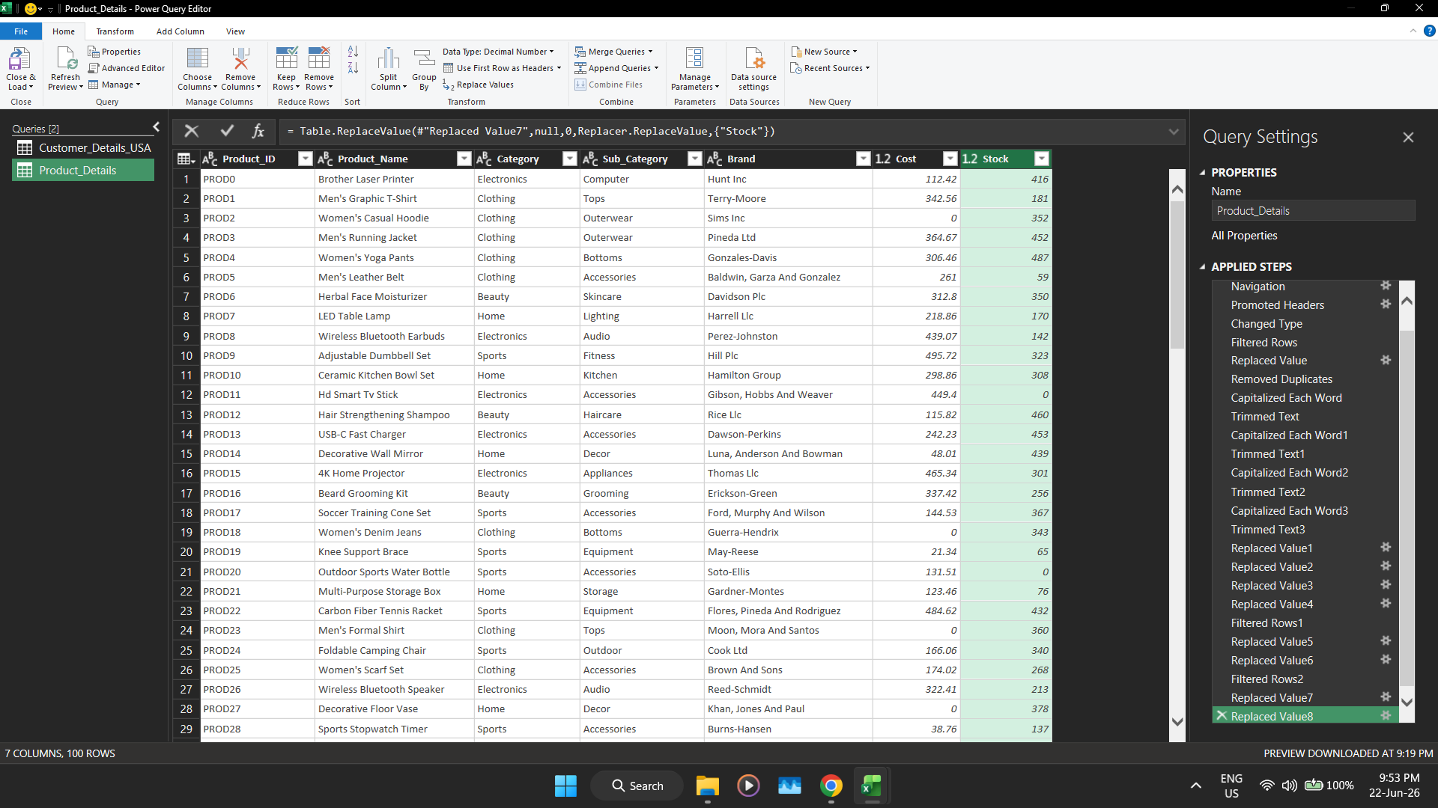
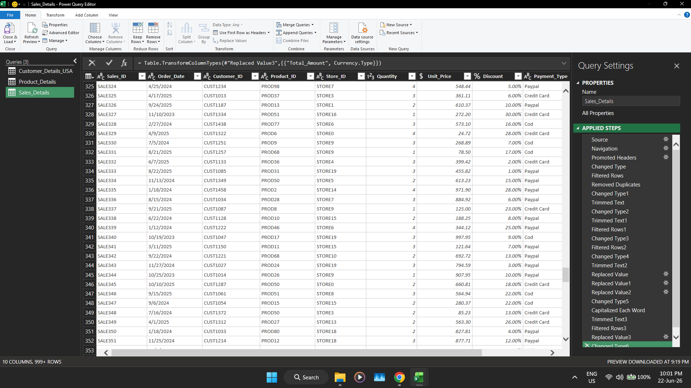
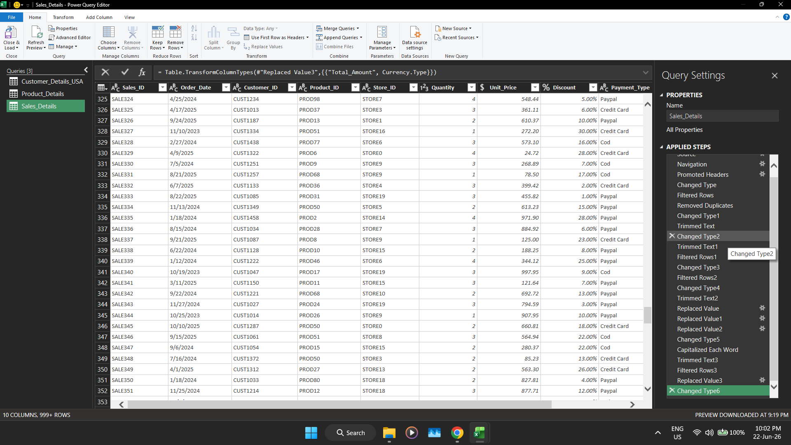

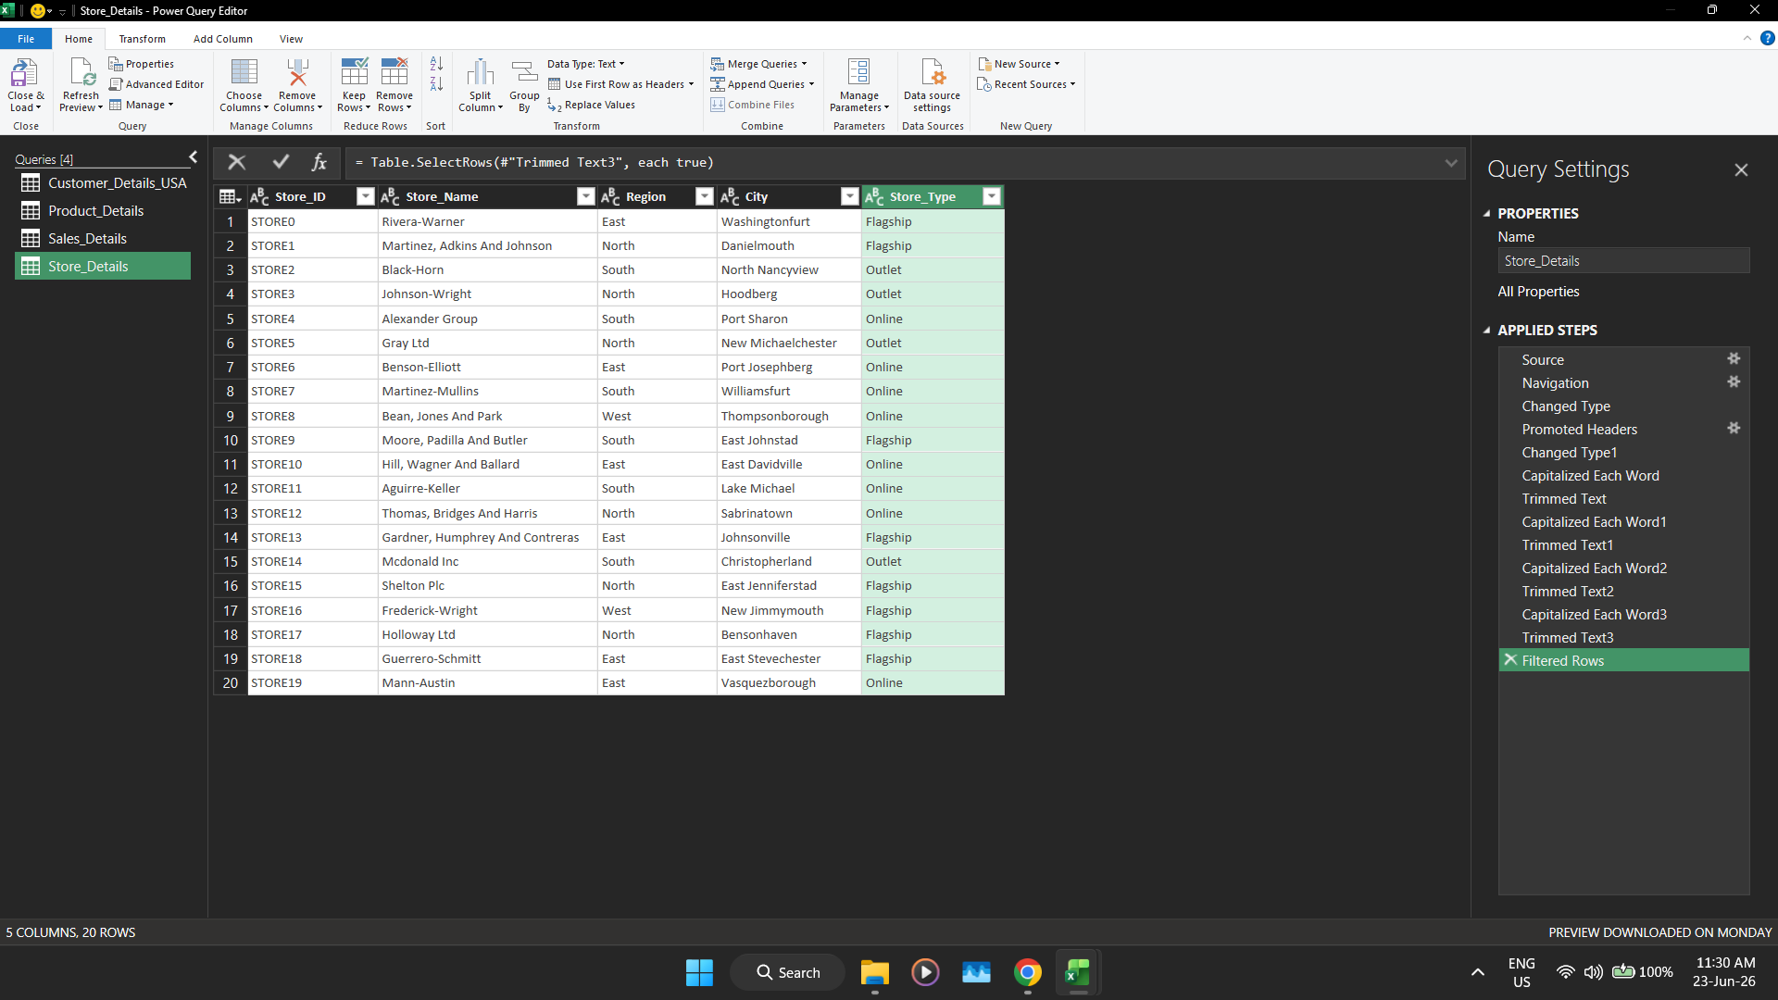

DashBoard Screenshots
